App Reviews
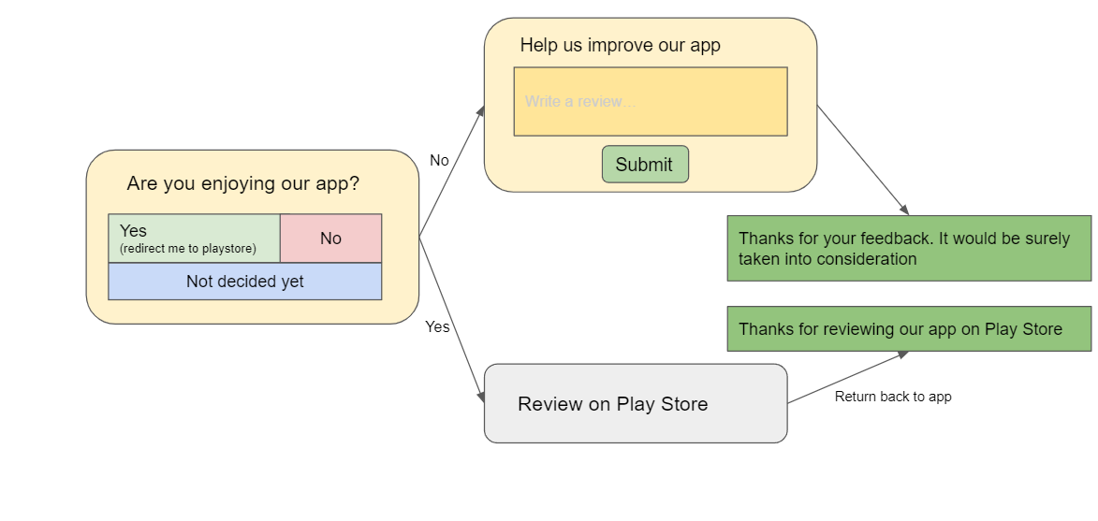
Use Case | Stages | Type of Review Pop-up | Trigger Points in the same chronological order | Location of feature associated | Location of Review Pop - up | Frequency of Pop-up | Minimum app usage time for first pop-up | App usage time difference betwwen two pop-ups - if skipped | Skppable | App usage time difference between two pop-ups - if users enters "No" and writes review | If user enters "Yes" | Pop-ups end time | Rating type | Priority | Pop - up Content and Flow
1 | Rating the app | App Review | After Profile Completion (more than 70%) | Profile completion | Profile completion | 1 | 5 mins | 2 mins | All are skippable, except one. User has to review at least one pop-up | 5 minutes and only 3 times | No Review Pop-ups sent further | Until and unless user chooses one of the three options (Yes, No, Skip); max time 15 seconds - then auto skip | Play Store/ App Store Rating | High
2 |  | App Review | After requesting a call with a Career Coach | Training Page | Training Page | 1 |  |  |  |  |  |  |  | High
 |  |  |  | Explore Page | Explore Page
 |  |  |  | In any skill view in Training Page - unlocked after 1 Expert Call and Assignment Submission | In any skill view in Training Page - unlocked after 1 Expert Call and Assignment Submission
3 |  | App Review | After booking a call with an expert | Book call feature in Explore Page | Book call feature in Explore Page | 1 |  |  |  |  |  |  |  | High
 |  |  |  | Book call feature in Training Page | Book call feature in Training Page
4 |  | App Review | After booking a 1:1 Session with an Trainer | In any skill view in Training Page - unlocked after 1 Expert Call and Assignment Submission | In any skill view in Training Page - unlocked after 1 Expert Call and Assignment Submission | 1 |  |  |  |  |  |  |  | High |  | 3 times
5 |  | App Review | After applying for a job | Job Page | Job Page | 1 |  |  |  |  |  |  |  | High

 | Explaination of the Table | There are total 5 Trigger Points for App Rating Pop-Ups. These 5 trigger points are mentioned in the table. Along with the trigger points, another important factor for popping of Review pop-ups is the Minimum app usage time and App usage time between two different pop-ups. Thus there is no rule in which review pop-up would occur first. Any pop-up can occur first but the app-usage condition should be satisfied

 | Different situations after user enters:
 | 1) Yes - and directed to play store: | No further Pop-ups sent
 | 2) No | Max. 3 pop-ups sent in total with delay time 10 minutes
 | 3) Review Later | Max. 5 pop-ups sent in total with delay time 5 minutes

Review Pop-up display
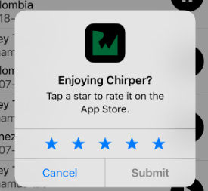
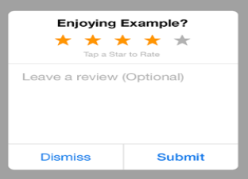
Sr No. | Review Pop-up type | Pop-ups | Reference Images
1 | Feature Review | A pop-up card should appear which includes: A pop-up card should appear which includes the following: - Title: Asking the user to rate a particular feature - Rating System: A [rating-type] rating system, where a user can select the particular star, to represent his feedback. - Two buttons: Not Now | Submit (Not Now: is an optional button- Use cases marked as non-reviewable should not include this button) - Not Now: On Pressing this button, the pop-up should disappear and show be displayed after [delay time] period. - Submit: On Pressing this button, the pop-up should record the user's rating and should also open another pop-up for Suggestion box
 |  | Another pop: Suggestion Box after user click's Submit on first pop-up "This pop-up card should include the following features: - Comment box: Here aspirant should be able to type his suggestion, the word limit should be: not more than 100 words. - Pre-text: A pre-text should appear in the comment box: Leave a suggestion (Optional) - Submit Button: The suggestion, if entered by the user should be submitted"
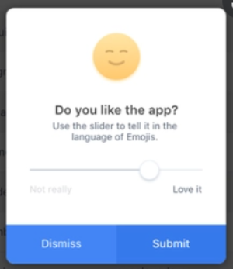
2 | App Review | A pop-up card should appear which includes: "A pop-up card should appear which includes the following: -Title: Asking the user wether he likes the app -Rating System: A rating system involving Yes and No buttons -Yes button: Clicking this button redirects to playstore, where the user reviews the app -No button: Clicking this button redirects to a suggestion box -Skip button: Clicking this button, the pop-up disappears and appears after sometime"
 |  | Another pop: Suggestion Box after user click's No on first pop-up "This pop-up card should include the following features: - Comment box: Here aspirant should be able to type his suggestion, the word limit should be: not more than 100 words. - Pre-text: A pre-text should appear in the comment box: Leave a suggestion (Optional) - Submit Button: The suggestion, if entered by the user should be submitted"

Raw Use Cases and data
Use Case | Stages | Trigger Points | Some more internal use cases | max no. of such events | Feature available on the app | Review Later/ Skip Review option | Frequency of Review Pop-ups | Review Pop-up Content | Priority List | External Stakeholders
1 | Rating the Group/1:1 Sessions and also the trainer | After the scheduled time slot for the session and only for those aspirants whose attendance is tracked in the CRM | should a student who has not attended the session, rate the session | 1:1 session- depends on aspirant requirement, Group Sessions - ask? | Card which pops up 24hrs before the scheduled session | Yes | After every session | 5 star rating based- Comment box should be Visible, not too big and should be optional, Review Statement easy and short
2 | Rating the Carrer Coach calls -General call | After the call is "Resolved" in CRM by the Career Coach, Or after the call is made, and the aspirant has "Answered" the call | No as such | For a new user - 1/2 times | Request a call to the carrer coach feature on the app | Yes | Once | 5 star rating based- Comment box should be Visible, not too big and should be optional, Review Statement easy and short |  |  |  | Touched by aspirants (an action) | After Carrer Call finished | After Expert call finished | Certificates-how do you get these certificates | After assignment completion on app | Requesting call with a particular career coach/trainer
3 | Rating the Carrer coach and also the call-Specific Career call | After the call is "Resolved" in CRM by the Career Coach, Or after the call is made, and the aspirant has "Answered" the call | No as such | depends on aspirant requirement | Request a call feature from career coach in Courses Feature | Yes | Once |  |  |  | Touchpoints | Based on some activity involving candidate | Completing capstone projects | Completing capstone projects -after half the time | after JRW, 1:1 , hard skills and soft skill sessions
4 | Rating the Expert and Expert call feature | 30 minutes after the scheduled call start time | if expert call didn't take place, only the slot was booked | PRO users - 6, PLUS- | Booking 1:1 expert call feature | No | Once for every booked call |  |  |  |  | After placement calls-updated in track | After final placement | After Status change | Also after updating Track - manually/automatically
5 | Rating the course/capstone | Course Completed feature available in aspirant details on CRM |  |  | The Course Panel after completing all the courses and Assignments | Yes | Once |  |  |  |  |  | After Placement Call | After Resume Unlock | Course and Assignment both review
 |  | After receiving the certificate for the course |  |  | Receiving any certificate on the app
6 | Rating the trainer and the call |  |  |  | Feature not available on app | Yes |  |  |  |  |  | Whom to rate, career coach or call? |  |  | Trainer Call
7 | Rating the expert resumes | Feature a |  | PRO-, PLUS- | Resume unlock feature on app | No | Once for every resume |  |  |  |  | What's use of referral button, can we add a review pop-action to it
8 | Rating experts-whose videobot is seen | videobot count is updated on CRM after a videobot in seen by an aspirant Or a question is acked by an aspirant |  | depends on aspirant requirement | AI videobot feature available on the app | No | Once every 3 videobots seen |  |  |  |  | Should we rate interview calls, with HR/ other rounds, etc.
9 | Rating the assigments of a course | Assigment submitted displayed by a green tick on the app | Same Assignment submitted twice | average is 1-2 per course, max students can give as many they want | Assignment feature available in the courses | Yes |  |  |  |  |  | Orientation Candidates missing
10 | Rating the videos of a course | Video tutorial watched displayed by a green tick on the app | Same video watched twice | average is 1-2 per course, max students can give as many they want | Video tutorial available on the app | Yes |  |  |  |  |  | Review pop-up is only for aspirants or experts too
11 | Rating the quizzes of a course | Quiz given displayed by a green tick on the app | Same quiz given twice | average is 1-2 per course, max students can give as many they want | Quizzes available on the app | Yes |  |  |  |  |  | Use of Call button in Upcoming Academy+Calls
12 | Rating the app | After Profile Completion (more than 70%) | if aspirant has profile completion% less than 50% | 1 | Profile feature available on the app | No, Skip review option available but 2/3 reviews are mandatory |  | First ask the question - "Do you like the app?, if yes redirect to play store else, comment box for feedback should pop |  |  |  | What is trainer's call feature in CRM why is it not used
 |  | After applying for a job |  | depends on aspirant | Easy Apply button present on each job in the job view |  |  |  |  |  |  | Should sessions be rated too, or only the person taking the session be rated
 |  | After booking a call with an expert |  | depends on aspirant | Book 1:1 call button feature available on app
 | Rating after final placement process |  |  |  |  |  |  |  |  |  |  | How should two reviews be linked to a single trigger point
 | Rating after Status changes (e.g. JRW to Hard Skills) |  |  |  |  |  |  |  |  |  |  | Should we assign single use case-multiple trigger points
 | Rating after Placement Calls
 | Refering a friend |  | Communication Journey for Review feedback |  |  |  |  |  |  |  |  | What if all review pop ups just come together, when user chooses for review later
 | Points to Note: |  | Bug report feature on App |  | Thanks for your feedback. We would reach out to you soon.
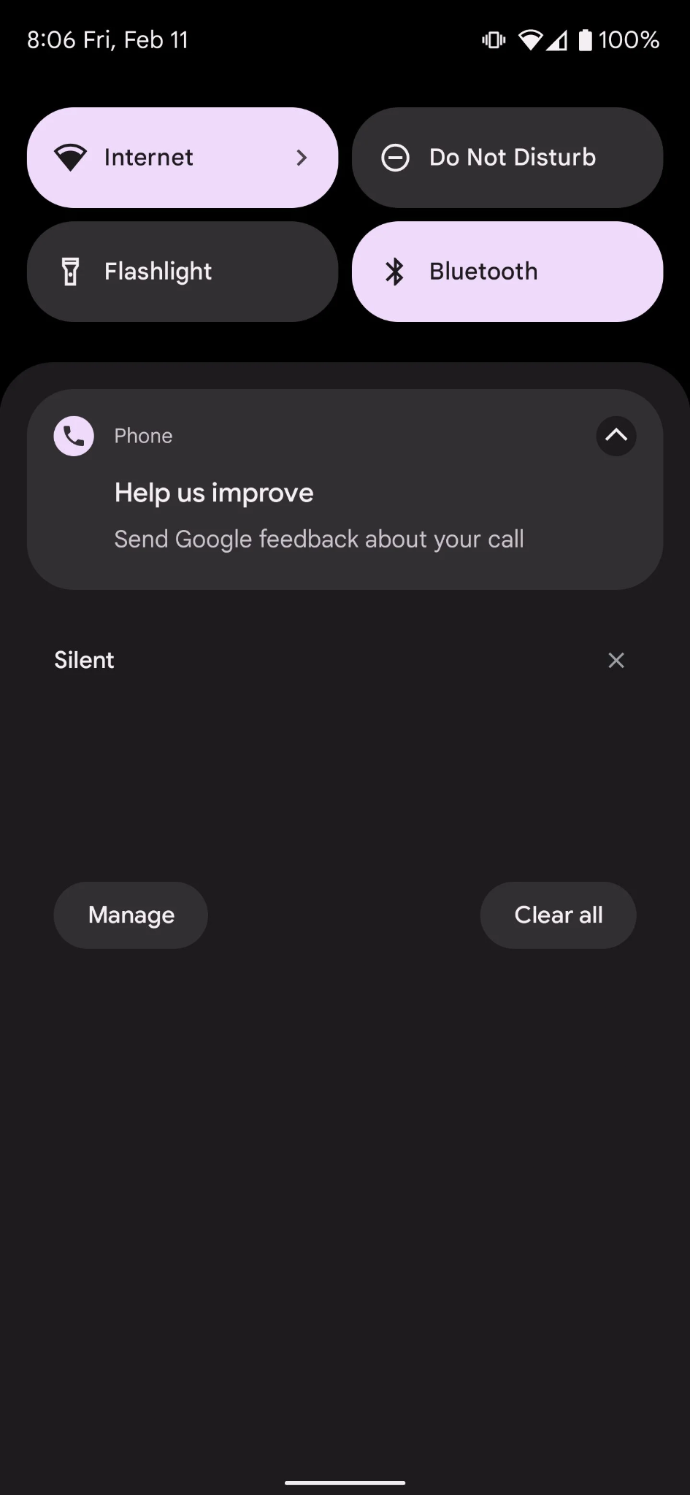
 | Seamless feedback |  |  |  |  |  |  |  |  |  |  | Should a pending review be shown in notifications?
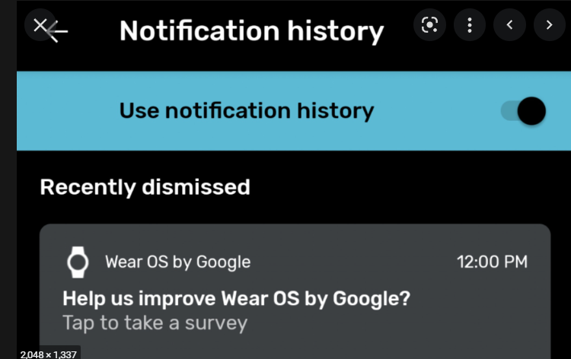
 | Not to effort for user to enter feedback
 | Keep questions short - so that it is easy to understand |  |  |  |  |  |  |  |  |  |  | Should user be directed to review on playstore-if he likes the app
 | Dedicated Communication Journey- so that user know that their reviews are looked upon
 | NPS system

 | After what time pop ups should appear

 | https://uxplanet.org/mobile-app-ux-design-prompting-for-app-review-5b75c0005cab

Information Collection
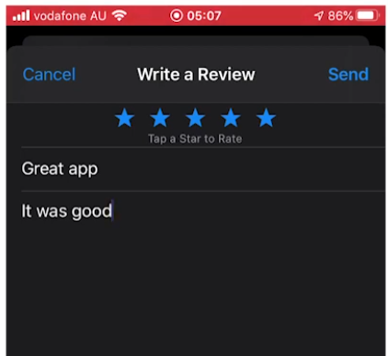
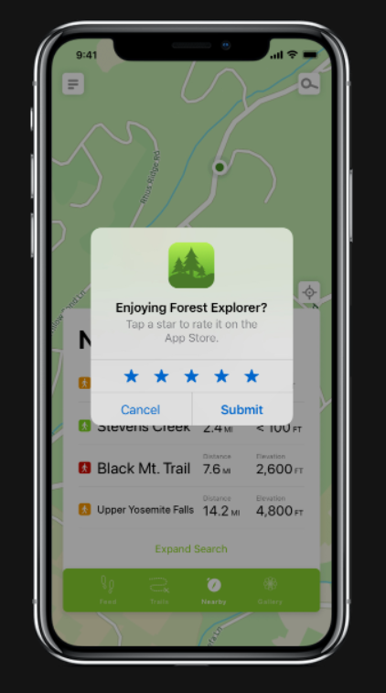
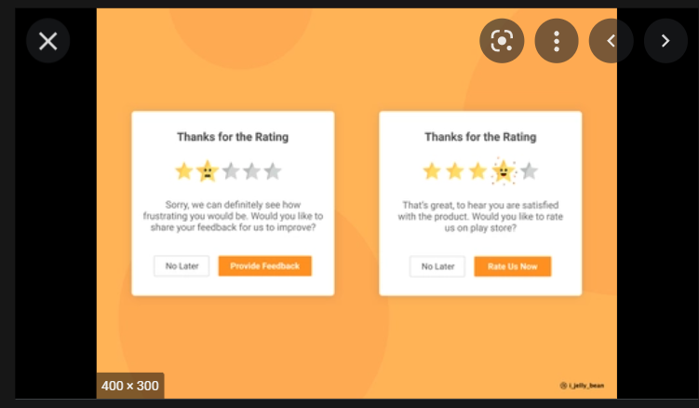
Some information:
 | When to request an in-app review Follow these guidelines to help you decide when to request in-app reviews from users: Trigger the in-app review flow after a user has experienced enough of your app or game to provide useful feedback. Do not prompt the user excessively for a review. This approach helps minimize user frustration and limit API usage (see the section on quotas). Your app should not ask the user any questions before or while presenting the rating button or card, including questions about their opinion (such as “Do you like the app?”) or predictive questions (such as “Would you rate this app 5 stars”).

 | Design guidelines Follow these guidelines as you determine how to integrate in-app reviews in your app: Surface the card as-is, without tampering or modifying the existing design in any way, including size, opacity, shape, or other properties. Do not add any overlay on top of the card or around the card. The card and the card’s background should be on the topmost layer. Once the card has surfaced, do not programmatically remove the card. The card is removed automatically based on either the user’s explicit action, or an internal Play Store mechanism.

 | https://medium.com/dataseries/how-to-collect-user-feedback-for-your-mobile-app-ba99dac143d

 | n some mobile apps, pop-up ads arrive as soon as the mobile app is opened. This is highly discouraging from the view of Google’s algorithm as well as user experience. According to sources, 75% of users are likely to leave the mobile app — if they find it has too many pop-ups.

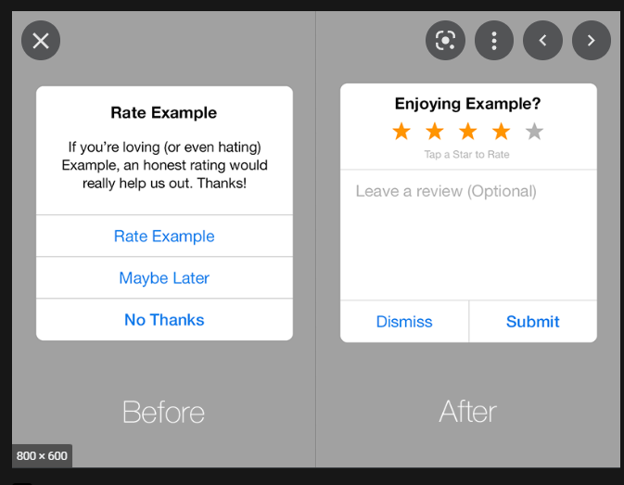
 | To enhance user experience, app developers should have the pop-up load after some time. This indicates an elevated level of user engagement. By handling pop-ups this way, the users are more likely to use your app for long period.

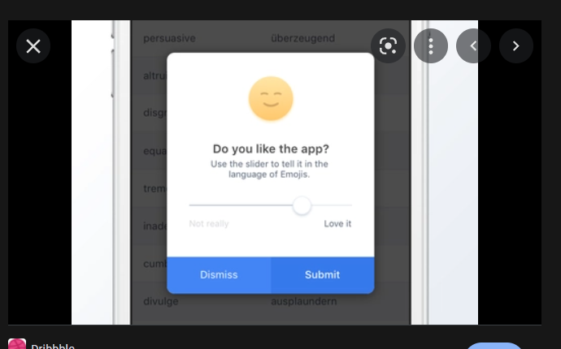
 | Pop-ups should not cover the entire screen This is perhaps the most important tip to handle pop-ups in mobile apps. According to Google algorithm — if the pop-up ad uses a reasonable amount of screen space, the app will not be penalized. A good example of pop-up in mobile app would be the one that pops up at the top quarter or bottom quarter of the screen.
 |  | https://www.youtube.com/watch?v=5nzo_g5MFTc

 | https://appsexpert.medium.com/the-ultimate-guide-to-handle-pop-ups-in-mobile-apps-d566ebec9735
 | https://www.psychologytoday.com/intl/blog/stronger-the-broken-places/201510/honoring-the-rule-reciprocation

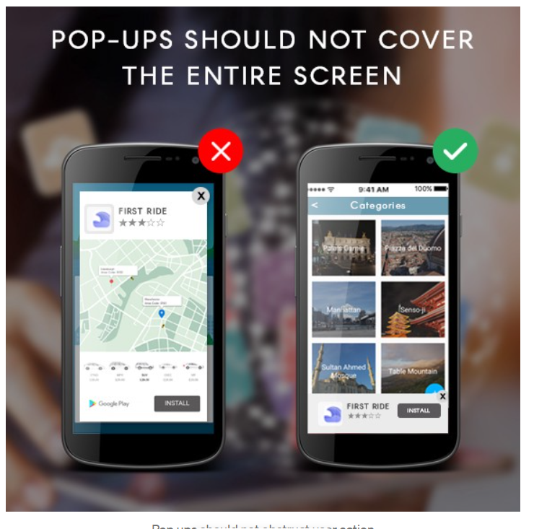

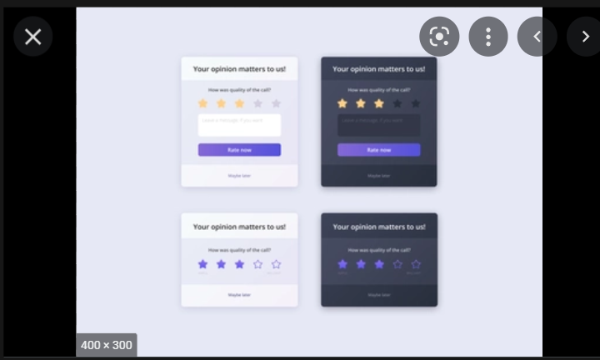

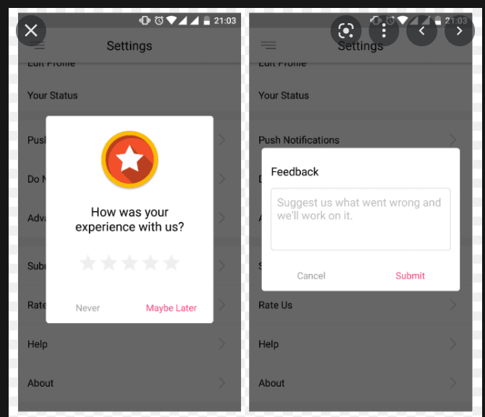

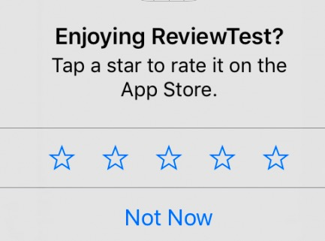
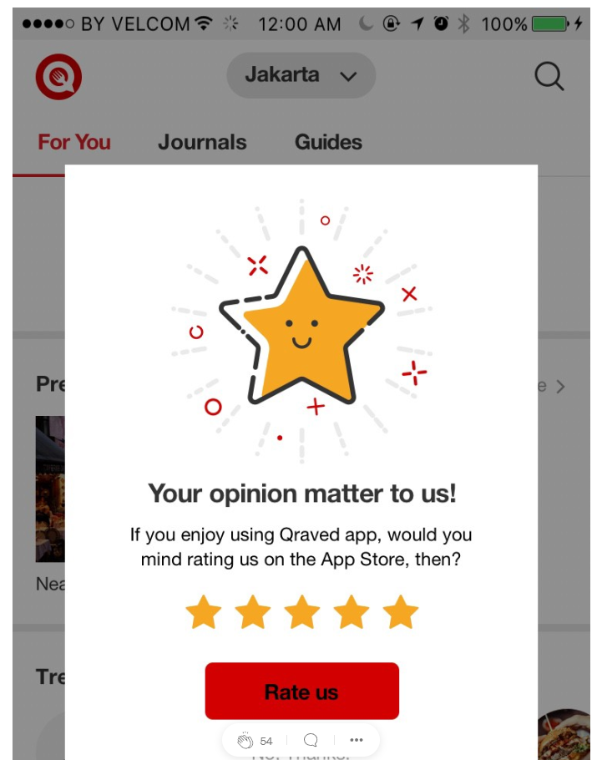

 | “But referring a friend is such a simple, easy task! Why can’t users find the goodness in their hearts to help out a small app startup?”. Unfortunately, the reality is not this simple. Note the word task above. That is exactly how most users see ‘refer a friend’ and ‘rate the app’ – as tasks. This is where the Rule of Reciprocation comes into play. Mainly, you need to give your users something before you ask for anything from them. This could be in the form of free rides in a transportation app or just overall value and amusement. A good practice would be to A/B test these pop-ups in a few different worthwhile locations and times in your users’ journeys. This will allow you to obtain better statistical significance as to where you should ultimately place this pop-up. It is also important that you ensure navigation from your app to the app stores, social media channels, or messaging platforms is as smooth as possible. Is it “simple” for users to grab a referral link? How does the flow function on Wi-Fi vs. data? These are important factors to consider. Take the time to analyse and optimise these two pop-ups, and you will surely reap the benefits of more satisfied, active users and new ones. Remember, “ask [wisely], and you shall recei

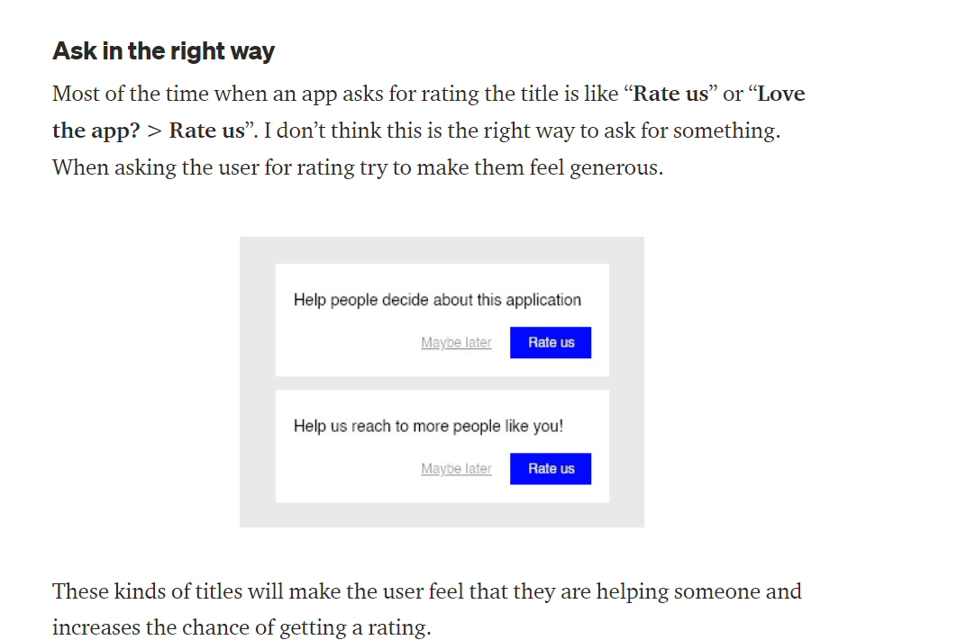

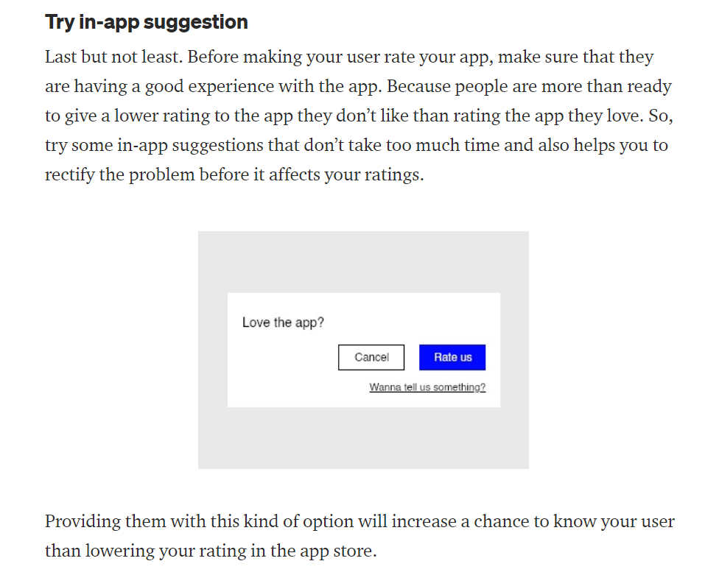

 | There might be thousands of people who have downloaded your app. But, it doesn’t mean that they all are your users. Consider a scenario where someone downloaded your app a long time ago and visiting back to check what this app is. And they are trying to figure out what to do with the app. Now asking them to rate the app will not only lead to a bad experience. It may also lower your app’s rating. We should target someone who is using your app frequently and getting benefitted because of your app.

 | It may seem like bribing, In some ways, it is ;-) But it is an efficient gamification technique. You may be noticed that in many games, this technique is used to run ads by giving you things like an extra life, bonus points, etc., It doesn’t make the user feel like they are used. It makes them feel like they traded something. In this context, it is their time. So, it doesn’t gonna affect their experience. In contrast, it is going to increase. Cause, you have given them something valuable. | 1 credit

